Sheet1
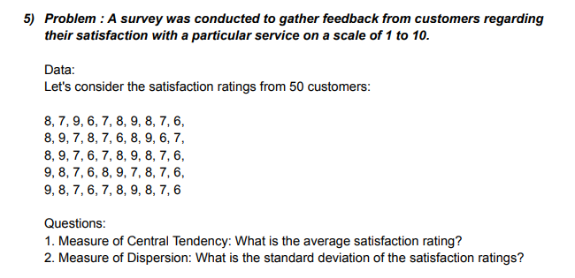
DATA |  | ANSWERS
 | 8 | MEAN | 7.5
 | 7 | STANDARD DEVIATION | 1.035098339
 | 9
 | 6
 | 7
 | 8
 | 9
 | 8
 | 7
 | 6
 | 8
 | 9
 | 7
 | 8
 | 7
 | 6
 | 8
 | 9
 | 6
 | 7
 | 8
 | 9
 | 7
 | 6
 | 7
 | 8
 | 9
 | 8
 | 7
 | 6
 | 9
 | 8
 | 7
 | 6
 | 8
 | 9
 | 7
 | 8
 | 7
 | 6
 | 9
 | 8
 | 7
 | 6
 | 7
 | 8
 | 9
 | 8
 | 7
 | 6

